PSC Rec
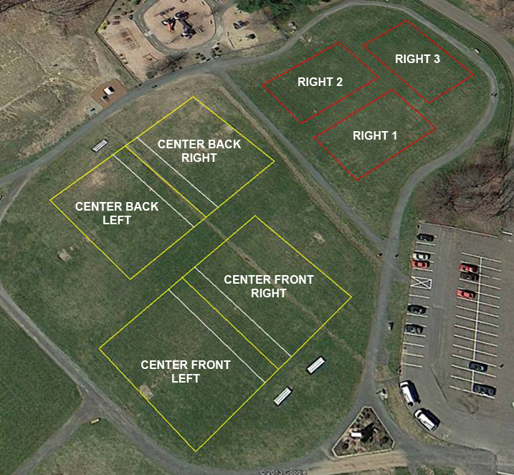
Recreational Practice and Field Schedule
Hotchkiss Field
Everson in Blue
 | Monday | Tuesday | Wednesday | Thursday | Friday
Right 1 |  | U6 Celotto 5:30 - 6:30
 |  | 6:00 - 6:15
Right 2 |  | U6 Golia 5:30 - 6:30 |  | U6 Pfeffer 5:30 - 6:30
Completed
 |  | 5:45 - 6:00 |  | 5:45 - 6:00
Right 3 |  | U6 Iannone 5:30 - 6:30
 |  | 5:30 - 5:45
Center Front Right | U8G Galasso 5:45 - 6:45 |  | U8B Fernandes 5:30 - 6:30 | U8G Brunetti 5:15 - 6:15 | U8G Bunk 5:00 - 6:00
 | 5:45 - 6:00 |  | 5:35 - 5:55 | 5:15 - 5:30 | 5:00 - 5:20
Center Front Left | U8G Mitchell 5:30 - 6:30 |  | U10B Luddy 5:15 - 6:30 | U10B Cybulski 5:00 - 6:15 | U10G Semrow 5:45 - 7:00
 | 5:30 - 5:45 |  | 5:15 - 5:35 | 5:00 - 5:15 | 6:00 - 6:20
Center Back Right | U8G Vallillo 6:00 - 7:00 | U8B Vescera 5:45 - 6:45 | U10G Szantyr 5:45 - 7:00 | U8B Sharky 5:30 - 6:30 | U8G Mulvihill 5:30 - 6:30
 | 6:00 - 6:15 | 6:15 - 6:30 | 6:15 - 6:35 | 5:30 - 5:45 | 5:40 - 6:00
Center Back Left | U8 - U12 Goalkeeper Training | U10G Vescera 5:45 - 7:00 | U10B Varesio 5:30 - 6:45 | U10 Girls Training | U8B/U10G Fencil 5:00 -7:15
 | 6:15 - 7:00 | 6:30 - 7:00 | 5:55 - 6:15 | 6:00 - 7:00 | 5:20 - 5:40 / 6:20 - 6:40
Hours | 1.5 | 1.5 | 1.33 | 2 | 1.67 | Total | 8

